Instructions
Instructions to sell work at QSWFA events.
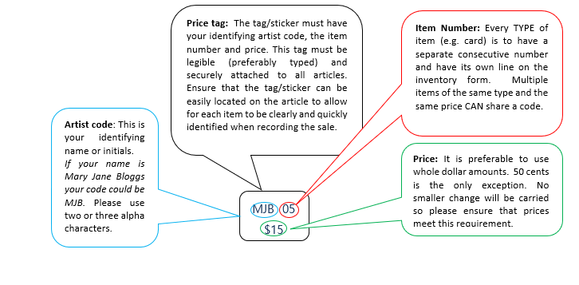
Price Tag: |  |  | Example:

 |  |  | In | Code & Item # | Item Description | QTY | Retail Price | Out
 |  |  |  | MJB01 | Notebook | 4 | $8
 |  |  |  | MJB02 | Card | 7 | $4
 |  |  |  | MJB03 | Scarf | 2 | $100
 |  |  |  | MJB04 | Quilt | 1 | $350
 |  |  |  | MJB05 | T shirt | 10 | $15

Filling in the inventory form: | All items for sale must be entered on an inventory form.
rows | You can use as many pages of the inventory form as you like so that every item is listed and priced. Just insert rows within the table part of the sheet. The easiest way to do this is to select all of row 29 (the last inventory row) by right clicking on the number 29, and then Insert. Repeat as many times as you need extra rows.
columns | Please DO NOT change the columns in the spreadsheet. It is designed to be able to copy and paste directly into a template for the Point Of Sale Software.
 | Do not enter anything in the shaded columns.
code | Limit your artist code to 3 alpha characters. Use capitals, eg MJB, not mjb
code | Do NOT leave a space between the code and the item number.
code | Have only one leading zero on your item number. (eg MJB01, up to MJB09, then MJB10, MJB11 etc). Each line must have a unique item number.
code | Do NOT put dashes or dots into your code/item field. This is what is keyed into the computer by the cashier, they do not know that you have added dashes and it makes it more difficult for them to find your items in amongst the thousands we have in the POS system.
description | The description you use in your inventory form is what is printed on the customer's receipt. Please check spelling and write as a singular item. Eg scarf not scarves, even if there are 30 of them.
QTY | Use the quantity column. Do NOT enter a new item number for each colour of the same thing. That is what the quantity column is for! Everything with the same description and price can share a single code (and a single line on the inventory form).
 | same type of item+same price=same code
price | Price items in whole dollars please. Eg do not make something $9.95, just make it $10! We don’t have coin change.
tag | Each item for sale must have a tag or label that corresponds exactly to a line on your inventory form. Your code and price must be on the same side of your hang-tag or label.
tag | Tag design - use plain fonts that are easy to read. Consider putting your name, contact email, the method of construction, the materials used (maybe tick a box), care instructions. Consider having the price able to be cut off for a gift with all other details remaining.
email | Email your inventory form in Excel format to events@qldspinners.org.au so we can copy and paste into our point of sale system. (Apple doesn’t work, NO PDFs)
print | Print TWO copies of your inventory form. (One to hand in with your goods, and one for your records / for checking what is returned to you afterwards.)
 | Once you have emailed your form DO NOT make any changes to it. If changes are necessary, write them in pen or pencil on the printed copy so that we know what to change on the emailed form.
 | Bring a copy to the shop with your goods, ready to be checked off and keep a copy for yourself.

GST Registration: | If you are registered for GST, please ensure that your ABN is on your inventory form and that your prices are GST inclusive. You are resposible for paying your own GST. Of you are NOT registered for GST, please attach a 'Statement by Supplier' which is available fom the ATO website. | Statement by Supplier form

Commission: | A 20% commission will be charged on the retail price of all items sold in the Gallery Shop if you are on a roster for at least a day. We are happy for you to just drop off your items for us to sell and we will retain 30% commission.

Checklist: I have… | c Created lovely things.
 | c Checked everything is in good condition without insect damage.
 | c Labelled all my items with my artist code, item number and retail price.
 | c Not used any pins. Safety pins are great.
 | c Items are pressed and display ready, if hangers required, supply labelled ones.
 | c Filled out an inventory form corresponding with all my items.
 | c Emailed my excel inventory form to events@qldspinners.org.au
 | c Printed TWO copies of the inventory form.
 | c Filled out a statement by a supplier form or supplied my ABN.
 | c Packed up all my bits and pieces carefully.
 | c Provided display items with my name underneath or on back.
 | c NO uncovered foam heads
 | c Delivered everything to the shop.
 | c Double checked the counts of my items and labels with shop personnel.
 | c Volunteered to do a shift in the shop to help sell everyone’s merchandise.

Drop Off & Pick Up: | Please pay attention to the dates and times listed for each event.
 | If you can not make the allocated time, please contact us to make alternate arrangements.
 | Any items not collected will be considered donations.

And…. | We take all care with your items but we take no responsibility for their loss.
 | If you do not follow these instructions, your name will be entered and all sales will go through just on your name, so you won't know what in particular you have sold. Customers will get only your name on their receipt.

inventory
ABC
Queensland Spinners Weavers and Fibre Artists Ltd
INVENTORY FORM
Name: |  |  |  |  | ABN:
Email: |  |  |  |  | Statement by supplier |  | Y / N
Phone: |  |  |  |  | BSB:
Bank Account Name: |  |  |  |  | A/C:
Event:
In | Code & Item # | Item Description | QTY | Retail Price | Out | Sales Record # | $

Checked in by: time /date
I agree to the terms of the Shop
Artist Signature:
Checked out by:
Artist:

OFFICE USE ONLY
Total Sales:

pricing guide
Socks |  |  |  |  | Informative tags:
child size | from | $30 |  |  | list materials used
adult size | from | $50 |  |  | care instructions
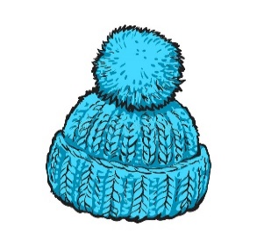
 |  |  |  |  | information about construction eg handspun, handwoven, hand dyed
Beanie |  |  |  |  | One set of tags
child size | from | $20 |  |  | personal story if applicable
adult size | from | $30 | upto | 50-60 | put your name on it!

 |  |  |  |  | if tags are sad or floppy…replace them!
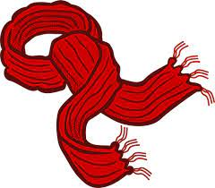
Scarf |  |  |  |  | Do NOT cross out prices- make a new tag!
handspun | from | $80 |  |  | put the price on one edge that can be cut off if it’s a gift
woven | from | $80
felted | from | $50
knitted | from | $50
dyed | from | $50

Handspun Yarn
spinoff magazine recommendations
charge per kg

